BT10
Create a Booking Window (LeadTime) table for an Analysis

- Based on the Data sheet
- Create an Analysis report of Booking Window for the date 15/08/2016 (Aug 15th, 2016) as below.
- Note:
 | + DBA (Days before Arrival)
 | + ROH (Reservation on hand)
 | + RN OTB (Room Night On the book)

Booking Window
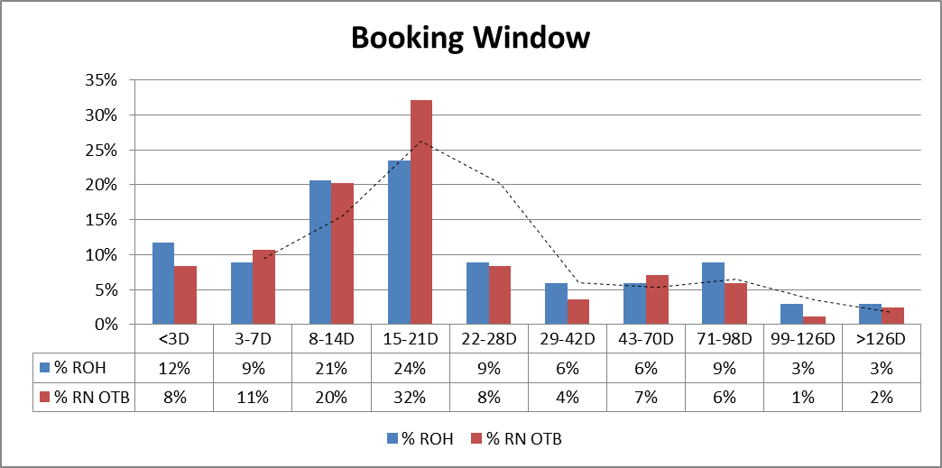
 | DBA | ROH | % ROH | RN OTB | % RN OTB
 | <3D | 4 | 12% | 7 | 8%
 | 3-7D | 3 | 9% | 9 | 11%
 | 8-14D | 7 | 21% | 17 | 20%
 | 15-21D | 8 | 24% | 27 | 32%
 | 22-28D | 3 | 9% | 7 | 8%
 | 29-42D | 2 | 6% | 3 | 4%
 | 43-70D | 2 | 6% | 6 | 7%
 | 71-98D | 3 | 9% | 5 | 6%
 | 99-126D | 1 | 3% | 1 | 1%
 | >126D | 1 | 3% | 2 | 2%
 | Total | 34 | 100% | 84 | 100%

